Workout
Accounting and Financial Analysis

Workout |  |  |  |  |  | Rolls Royce
 | Calculate operating working capital for both years.
 | Decide whether the change in OWC between the two years represents a cash in or out flow.
 | Calculate the in/out cash flow.

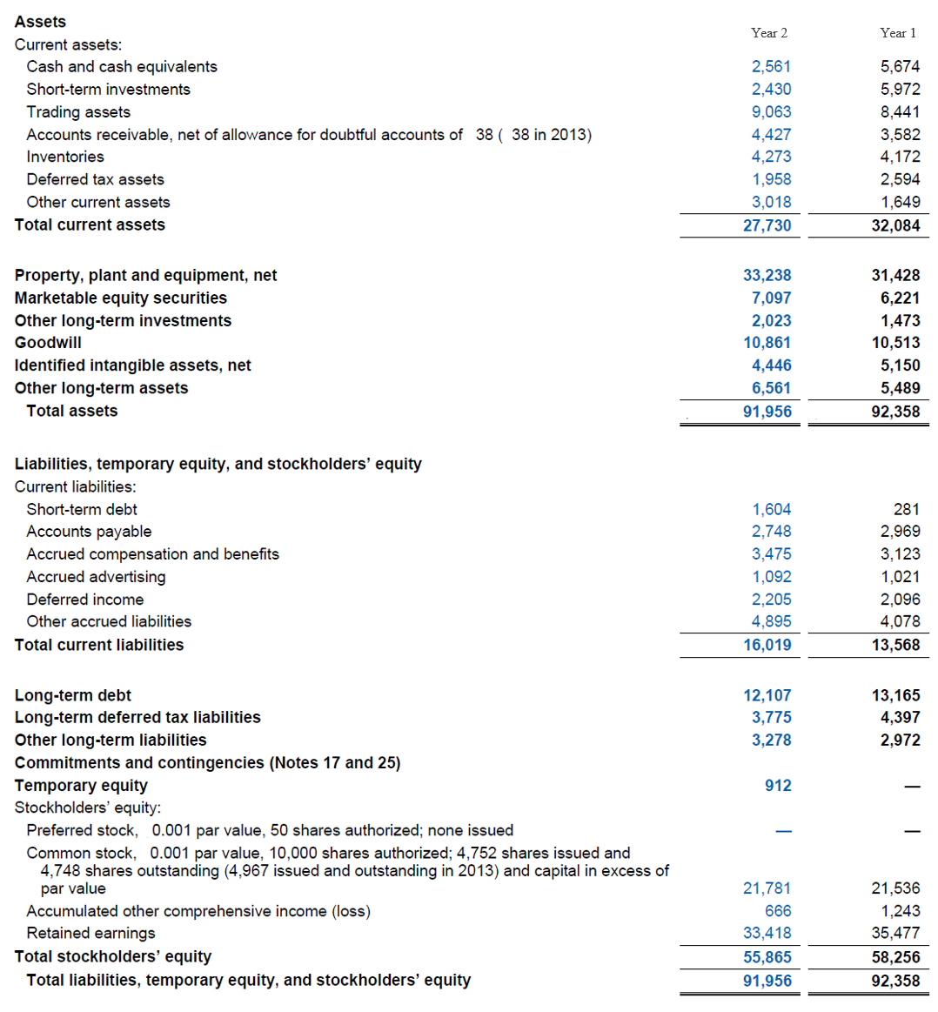

 |  | Year 2 | Year 1
 | Accounts receivable, net | 4,427.0 | 3,582.0
 | Inventories | 4,273.0 | 4,172.0
 | Deferred tax assets | 1,958.0 | 2,594.0
 | Other current assets | 3,018.0 | 1,649.0
 | Operating current assets | 13,676.0 | 11,997.0

 | Accounts payable | 2,748.0 | 2,969.0
 | Accrued compensation and benefits | 3,475.0 | 3,123.0
 | Accrued advertising | 1,092.0 | 1,021.0
 | Deferred income | 2,205.0 | 2,096.0
 | Other accrued liabilities | 4,895.0 | 4,078.0
 | Operating current liabilities | 14,415.0 | 13,287.0

 | OWC | (739.0) | (1,290.0)

 | Cash outflow | (551.0)

Workout
 | Calculate operating working capital for both years.
 | Decide whether the change in OWC between the years represents a cash in flow or cash out flow.
 | Calculate the in/out cash flow

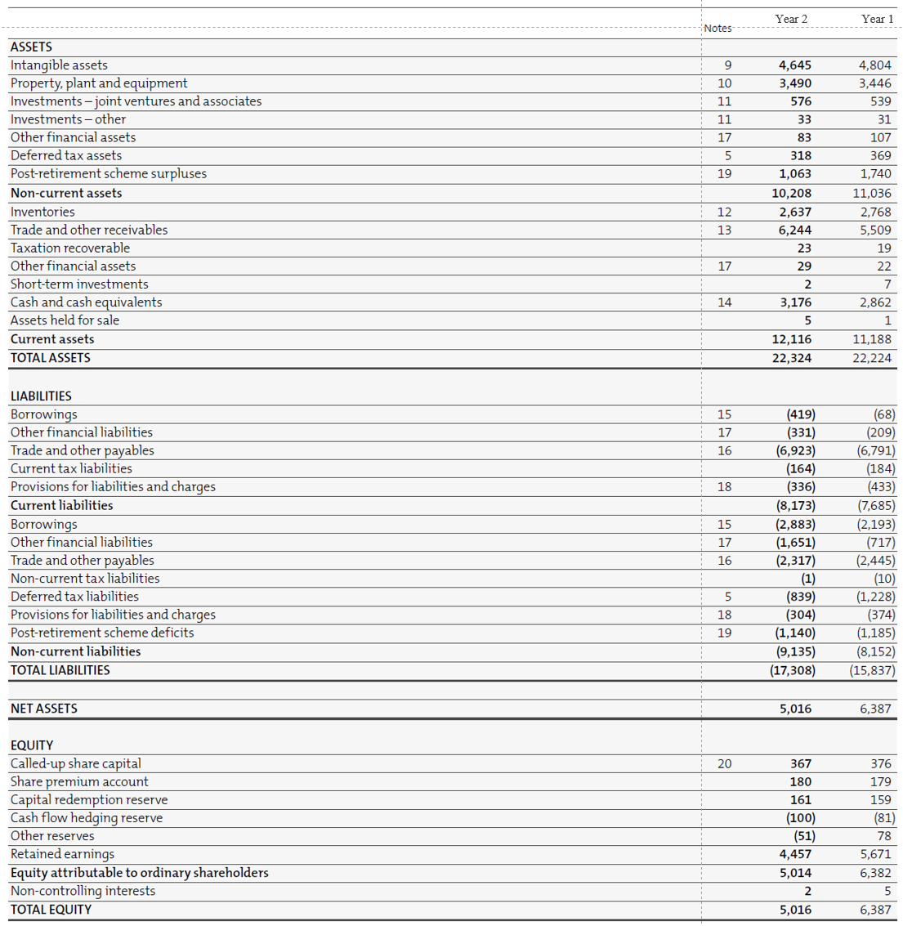

 |  | Year 2 | Year 1
 | Inventories | 2,637.0 | 2,768.0
 | Trade and other receivables | 6,244.0 | 5,509.0
 | Taxation recoverable | 23.0 | 19.0
 | Operating current assets | 8,904.0 | 8,296.0

 | Trade and other payables | 6,923.0 | 6,791.0
 | Current tax liabilities | 164.0 | 184.0
 | Provisions for liabilities and charges | 336.0 | 433.0
 | Operating current liabilities | 7,423.0 | 7,408.0

 | OWC | 1,481.0 | 888.0

 | Cash outflow | (593.0)

Workout
 | Calculate operating working capital for each quarter for Mattel.
 | What do you notice about the OWC level?

 |  | Q1 | Q2 | Q3 | Q4
 | Cash and equivalents | 682,908.0 | 300,455.0 | 289,697.0 | 892,814.0
 | Accounts receivable, net | 699,703.0 | 803,111.0 | 1,451,250.0 | 1,145,099.0
 | Inventories | 640,320.0 | 853,795.0 | 870,785.0 | 587,521.0
 | Prepaid expenses and other current assets | 572,289.0 | 572,341.0 | 571,487.0 | 571,429.0
 | Total current assets | 2,595,220.0 | 2,529,702.0 | 3,183,219.0 | 3,196,863.0
 | Property, plant, and equipment, net | 715,608.0 | 733,002.0 | 721,299.0 | 741,147.0
 | Goodwill | 1,385,895.0 | 1,393,147.0 | 1,387,959.0 | 1,384,520.0
 | Other noncurrent assets | 1,410,296.0 | 1,441,951.0 | 1,357,053.0 | 1,230,159.0
 | Total Assets | 6,107,019.0 | 6,097,802.0 | 6,649,530.0 | 6,552,689.0

 | Short term borrowings | 0.0 | 0.0 | 161,008.0 | 16,914.0
 | Current portion of long term debt | 0.0 | 0.0 | 0.0 | 300,000.0
 | Accounts payable | 287,599.0 | 396,760.0 | 560,668.0 | 651,681.0
 | Accrued liabilities | 496,802.0 | 485,127.0 | 688,004.0 | 658,225.0
 | Income taxes payable | 10,537.0 | 7,787.0 | 31,918.0 | 18,752.0
 | Total current liabilities | 794,938.0 | 889,674.0 | 1,441,598.0 | 1,645,572.0
 | Long-term debt | 2,100,000.0 | 2,100,000.0 | 2,100,000.0 | 1,800,000.0
 | Other noncurrent liabilities | 545,438.0 | 543,655.0 | 535,269.0 | 473,863.0
 | Total noncurrent liabilities | 2,645,438.0 | 2,643,655.0 | 2,635,269.0 | 2,273,863.0
 | Common stock | 441,369.0 | 441,369.0 | 441,369.0 | 441,369.0
 | Additional paid-in capital | 1,774,748.0 | 1,788,993.0 | 1,779,176.0 | 1,789,870.0
 | Treasury stock | (2,528,722.0) | (2,521,703.0) | (2,503,757.0) | (2,494,901.0)
 | Retained earnings | 3,708,274.0 | 3,566,687.0 | 3,660,796.0 | 3,745,815.0
 | Accumulated other comprehensive loss | (729,026.0) | (710,873.0) | (804,921.0) | (848,899.0)
 | Total stockholders’ equity | 2,666,643.0 | 2,564,473.0 | 2,572,663.0 | 2,633,254.0
 | Total Liabilities and Stockholders’ Equity | 6,107,019.0 | 6,097,802.0 | 6,649,530.0 | 6,552,689.0

 | Check | 0.0 | 0.0 | 0.0 | 0.0
 |  | OK | OK | OK | OK

 | Accounts receivable, net | 699,703.0 | 803,111.0 | 1,451,250.0 | 1,145,099.0
 | Inventories | 640,320.0 | 853,795.0 | 870,785.0 | 587,521.0
 | Prepaid expenses and other current assets | 572,289.0 | 572,341.0 | 571,487.0 | 571,429.0
 | Operating current assets | 1,912,312.0 | 2,229,247.0 | 2,893,522.0 | 2,304,049.0
 | Accounts payable | 287,599.0 | 396,760.0 | 560,668.0 | 651,681.0
 | Accrued liabilities | 496,802.0 | 485,127.0 | 688,004.0 | 658,225.0
 | Income taxes payable | 10,537.0 | 7,787.0 | 31,918.0 | 18,752.0
 | Operating current liabilities | 794,938.0 | 889,674.0 | 1,280,590.0 | 1,328,658.0

 | OWC | 1,117,374.0 | 1,339,573.0 | 1,612,932.0 | 975,391.0
 | The level of OWC fluctuates between quarters. In periods of high OWC there is a high level of cash tied up in OWC. The company has a high cash requirement and uses short term borrowings during these periods.

